Summary
 |  |  | 24-Jan-23

TriFit Gym
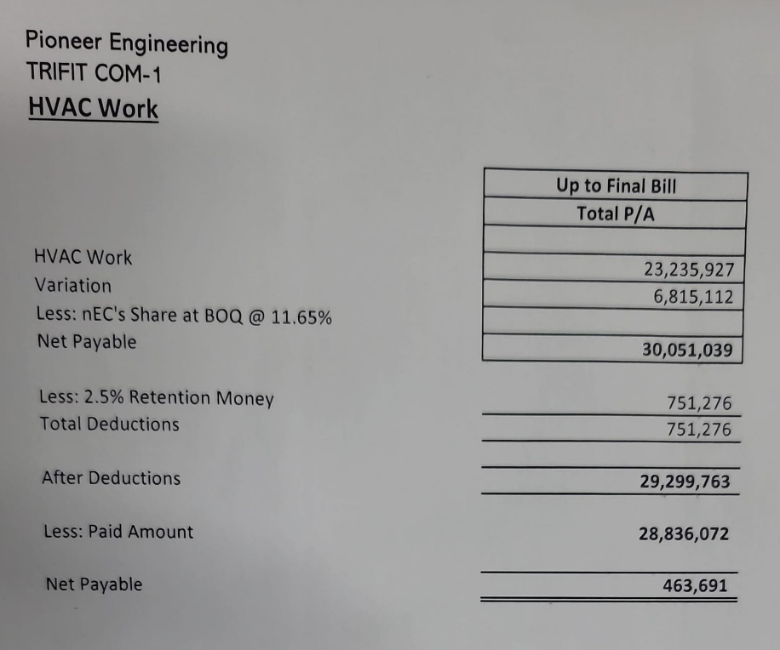
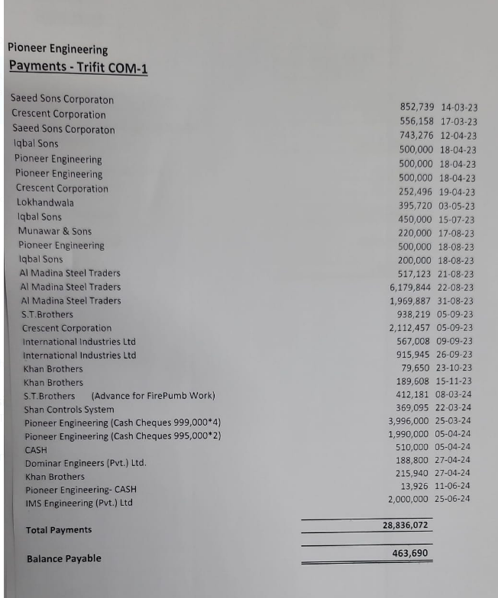
COM-01, CLIFTON KARACHI.

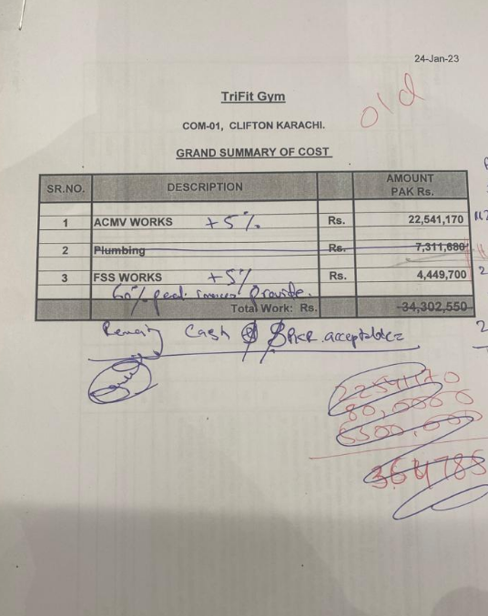
GRAND SUMMARY OF COST

SR.NO. | DESCRIPTION |  | AMOUNT PAK Rs. | Tri-Fit Gym
 |  |  |  | HVAC | 22,541,170 | 23,668,229
1 | ACMV WORKS | Rs. | 22,541,170 | Fire | 4,449,700 | 4,672,185
 |  |  |  | Total | 26,990,870 | 28,340,414
2 | FSS WORKS | Rs. | 4,449,700

 | Total Work: Rs. |  | 26,990,870 |  | 26,990,870

 |  |  |  | Mob adv 20% | 5,398,174

 |  |  |  | Received payment | 4,750,389 | 5,267,389
Note: 05% will be increased on above amount as discussed with Mr. Naveed Siddiqui as shown in the picture |  |  |  |  |  | (130,785)
 |  |  |  | Remaining | 647,785

 |  |  |  |  | 852739
 |  |  |  |  | 556158
 |  |  |  |  | 743276 | 11918758
 |  |  |  |  | 500000
 |  |  |  |  | 500000
 |  |  |  |  | 500000
 |  |  |  |  | 252496
 |  |  |  |  | 395720
 |  |  |  |  | 450000
 |  |  |  |  |  | 220000
 |  |  |  |  |  | 500000
 |  |  |  |  |  | 200000
 |  |  |  |  |  | 517123
 |  |  |  |  | 4750389 | 1437123
 |  |  |  |  | 647,785

Finance
Financial Summary for the Project Tri fit
 |  |  | Contract Value | 26,990,870
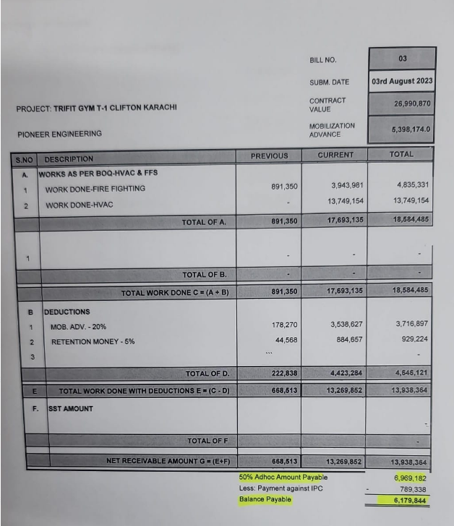
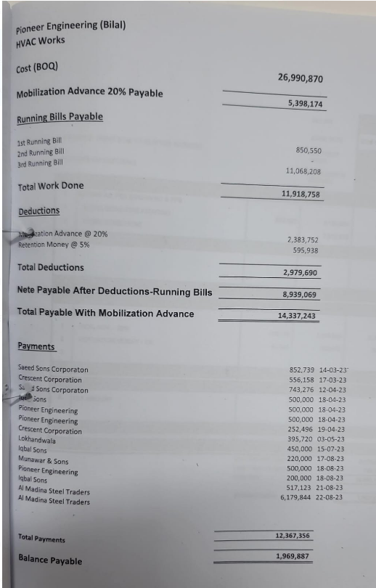
 |  |  | Mob adv 20% | 5,398,174
 |  |  | Adv received | 4,750,389
 |  |  | Advance remaining | 647,785

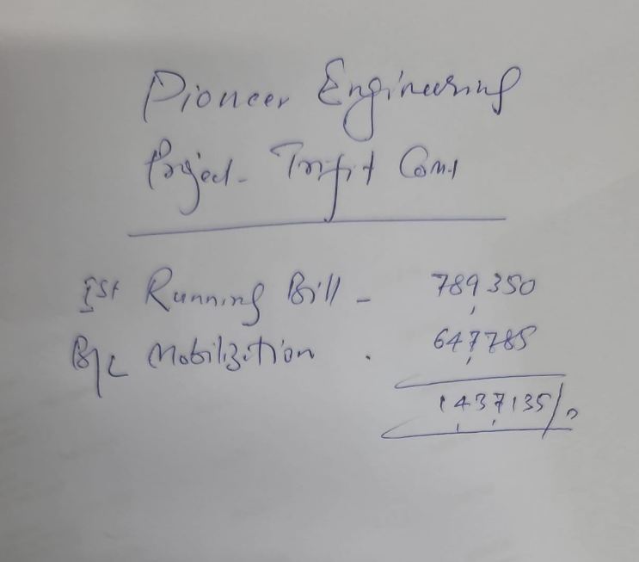
Description | Total | IPC-3 | IPC-2 | IPC-1 | Mobilization
Gross Work Done | 24,772,009 | 18,584,485 |  | 789,350 | 5,398,174

Less Mobilization 20% | 3,716,897 | 3,716,897 | -
Less Retention 05% | 929,224 | 929,224 | -

Net Work Done | 20,125,888 | 13,938,364 | - | 789,350 | 5,398,174

Received Amount Rs |  |  |  | 1,437,123 | 4,750,389

Net Payable Amount Rs | 20,125,888 | 13,938,364 | - | (647,773) | 647,785
 |  |  |  |  |  | 789350

 |  |  |  |  |  | 11918758
 |  |  |  |  |  | 12708108

 |  |  |  |  |  | 2541621.6
 |  |  |  |  |  | 635405.4
 |  |  |  |  |  | 9531081
 |  |  |  |  |  | 4750389
 |  |  |  |  |  | 4780692
 |  |  |  |  |  | 1437123
 |  |  |  |  |  | 3343569

 |  |  |  |  |  | 6,187,512
 |  |  |  |  |  | 6,179,844
 |  |  |  |  |  | 12,367,356

 |  |  |  |  |  |  | 14337243
 |  |  |  |  |  |  | 5398174
 |  |  |  |  |  |  | 8939069

